Disclaimer and Guide
BACK TO TAX LIABILITY CALCULATION
I authorize the sharing of the model, with the request to attribute it to me.
Disclaimer: This model is designed solely for informational purposes and should not be considered as a substitute for professional accounting advice. The legislative provisions incorporated in the model are up to date as of June 30, 2023. Please note that the model may not cover certain rare scenarios. You can find a list of model limitations by following the provided link. The model was developed for use in MS Excel. Other software incorrectly imports certain logical formulas, which prevents me from guaranteeing the accuracy of calculations. Therefore, I strongly recommend using MS Excel.
Model limitations

GUIDE

The model has the following structure:

1 | Tax Liability Evaluation Model

A model that calculates the tax liability for Income Tax, General Health System (GHS), Special Defence Contribution (SDC), and tax payable. For accurate calculation, it is necessary to answer questions from 1 to 5 and fill in the income sources in the table below.

Manual input of values is intended only in cells without shading:

In cells with a dropdown list, select the relevant value or leave it blank if applicable.

2 | Assessment of 20% and 50% Exemption Eligibility

This sheet formalizes the provisions of articles 8(21), 8(21A), 8(23), 8(23A). By answering questions from 1 to 9 and indicating the residency period, the model determines whether the taxpayer is eligible for a 20% or 50% exemption in 2022 and 2023. The cells that require input are highlighted in yellow.
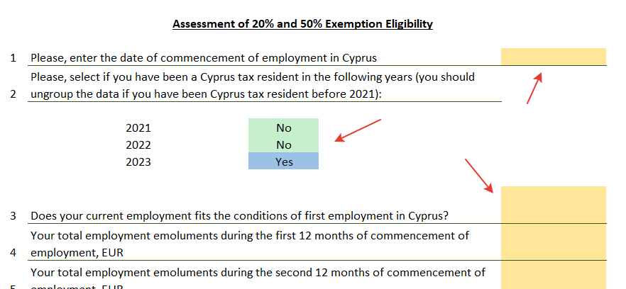

Model limitations

The following provisions are not accounted for in the model:
1. Provisions of double tax treaties 2. Tax regulations regarding rental income from preserved buildings 3. Employment income is taxed at reduced rates. 4. Pensions taxed at reduced rates. 5. Cases of exemption from Social Insurance (SI) and General Health System (GHS) contributions 6. Calculation of SI contributions when the employer contributes to the Central Holiday Fund, while the employee's income exceeds the threshold for SI contributions. 7. New provisions for determining the 50% exemption rule adopted in June 2023. 8. Capital allowances for rental income calculation purposes are set at 3% for buildings and do not cover certain cases. 9. Exemptions from Special Defence Contribution (SDC) on dividends from qualifying ships (exempted by the Merchant Shipping Law). 10. Cases when temporary income is less than 19500 for the purpose of additional tax calculation (if no temprorary tax is paid, the model computes temporary income equals to 0).
This list is not exhaustive.

